Sheet1
Name: | YEVGENY GRAZIO MARI ALBANO | Exercise/Laboratory: | Application Properties
Block/Section: | IT 5108 | Date: | 11 / 11 / 2023
Github Repository Link:
Created System Property Category ‘Criteria’

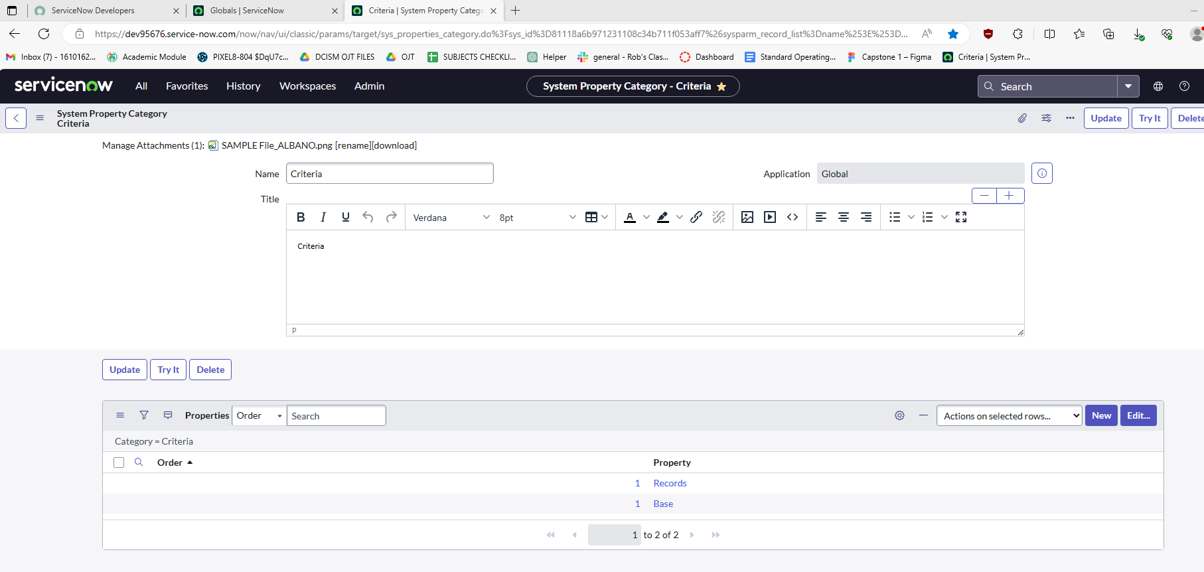

Laboratory #2

Criteria Application Menus

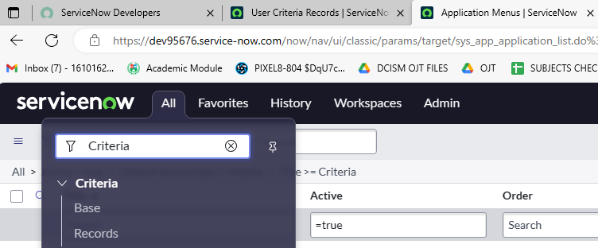
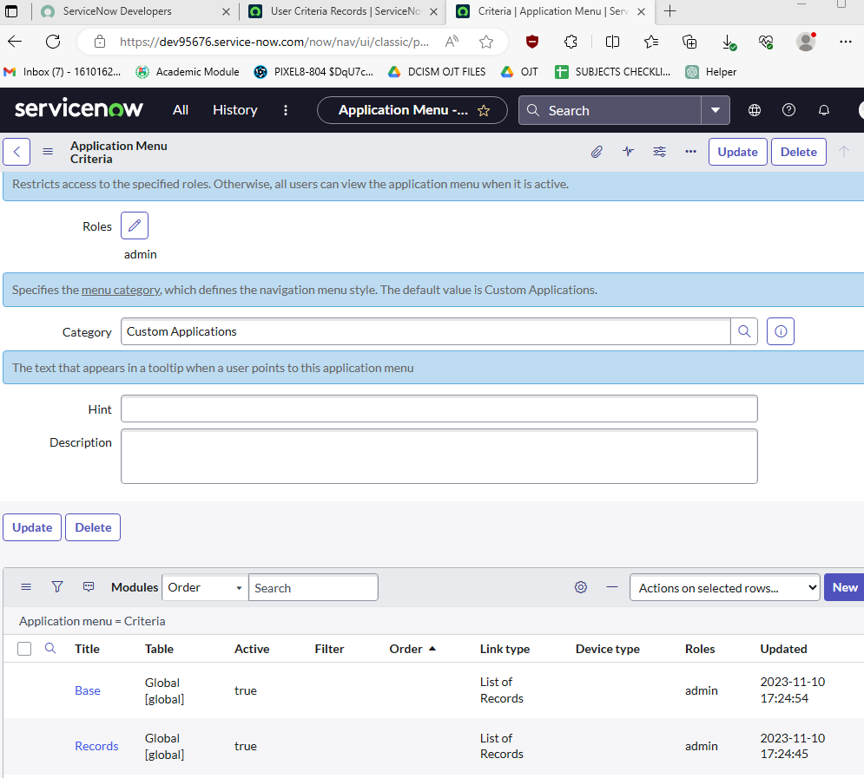

Laboratory #4

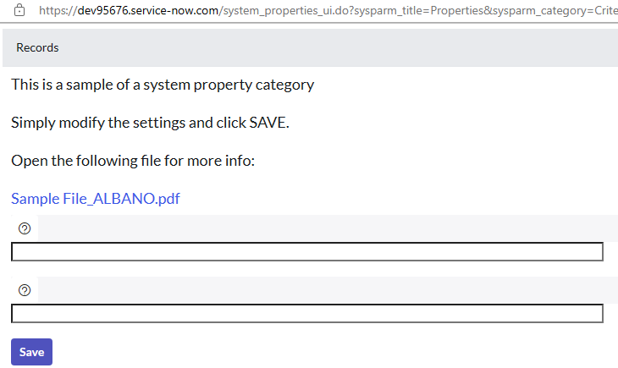
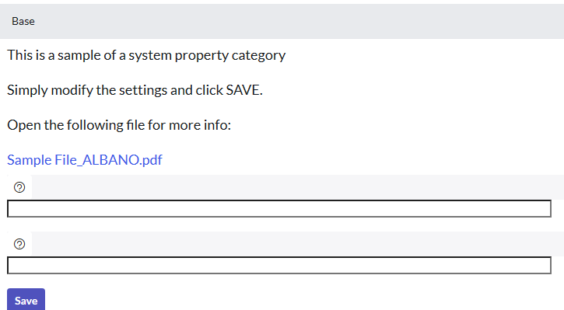

Laboratory #5

Laboratory #5

